Diagrams
BMS4 Temperature
 | Fire | Unprotected beam
0 | 20 | 20
1 | 349.21366576 | 49.418101
2 | 444.50487788 | 101.833455
3 | 502.28930299 | 158.153605
4 | 543.88730926 | 223.339954
5 | 576.41043057 | 294.462898
6 | 603.11764761 | 357.692375
7 | 625.77682521 | 416.394362
8 | 645.45510804 | 469.158176
9 | 662.84638674 | 515.403797
10 | 678.42733151 | 552.175145
11 | 692.53955229 | 586.697155
12 | 705.43624832 | 616.20158
13 | 717.31030818 | 641.636503
14 | 728.312063 | 663.424387
15 | 738.56095276 | 681.960565
16 | 748.15345005 | 697.607296
17 | 757.16859567 | 710.62254
18 | 765.67196077 | 721.099372
19 | 773.71854363 | 729.475067
20 | 781.35492723 | 734.337128
21 | 788.62091309 | 738.088223
22 | 795.55077689 | 744.861326
23 | 802.1742463 | 755.170981
24 | 808.51727161 | 767.780017
25 | 814.60263981 | 780.835188
26 | 820.45046871 | 793.042167
27 | 826.07860818 | 803.874089
28 | 831.50296875 | 813.300742
29 | 836.73779275 | 821.512357
30 | 841.79587969 | 828.754338
31 | 846.68877475 | 835.251805
32 | 851.42692755 | 841.185051
33 | 856.01982651 | 846.688628
34 | 860.47611323 | 851.85907
35 | 864.80368037 | 856.764259
36 | 869.00975575 | 861.45166
37 | 873.10097501 | 865.954681
38 | 877.08344457 | 870.297251
39 | 880.96279645 | 874.152107
40 | 884.74423618 | 878.232732
41 | 888.43258479 | 882.19366
42 | 892.0323158 | 886.043641
43 | 895.5475878 | 889.790019
44 | 898.98227336 | 893.439121
45 | 902.33998466 | 896.996513
46 | 905.62409632 | 900.467309
47 | 908.83776582 | 903.852088
48 | 911.98395168 | 907.153036
49 | 915.06542988 | 910.377562
...

SS_B6 Displacements
 | Midspan - 20 N/mm |  | Midspan - 40 N/mm
0 | -4.2316906322 | 0 | -8.4624443512
0.125 | -4.2417246078 | 0.125 | -8.4825039197
0.25 | -4.2518095114 | 0.25 | -8.5026652449
0.375 | -4.2619457077 | 0.375 | -8.5229290552
0.5 | -4.2721335651 | 0.5 | -8.5432960856
0.625 | -4.2917410742 | 0.625 | -8.5824942245
0.75 | -4.3115411093 | 0.75 | -8.6220770275
0.875 | -4.3315363485 | 0.875 | -8.6620498397
1 | -4.3517295199 | 1 | -8.7024181061
1.125 | -4.377674445 | 1.125 | -8.7542843808
1.25 | -4.4039491704 | 1.25 | -8.8668783267
1.375 | -4.4305596588 | 1.375 | -9.2052267261
1.5 | -4.4575120185 | 1.5 | -9.8197711526
1.625 | -4.4885668215 | 1.625 | -10.935968382
1.75 | -4.5200807245 | 1.75 | -12.443556257
1.875 | -4.777136309 | 1.875 | -14.876836771
2 | -5.7929051336 | 2 | -17.752047349
2.125 | -8.2825358555 | 2.125 | -21.071399627
2.25 | -11.736591253 | 2.25 | -24.48151093
2.375 | -15.338800012 | 2.375 | -27.912137421
2.5 | -18.929715515 | 2.5 | -31.336893841
2.625 | -22.021545002 | 2.625 | -34.303003744
2.75 | -25.083723416 | 2.75 | -37.249122826
2.875 | -28.104290606 | 2.875 | -40.177675969
3 | -31.089513576 | 3 | -43.084839788
3.125 | -34.726040458 | 3.125 | -46.646804397
3.25 | -38.31230478 | 3.25 | -50.177222398
3.375 | -41.85800903 | 3.375 | -53.668645674
3.5 | -45.364129567 | 3.5 | -57.131640338
3.625 | -48.883815072 | 3.625 | -60.614390913
3.75 | -52.396735315 | 3.75 | -64.125398718
3.875 | -55.886606019 | 3.875 | -67.611483394
4 | -59.335799323 | 4 | -71.055388201
4.125 | -62.760360801 | 4.125 | -74.496997429
4.25 | -66.158642282 | 4.25 | -77.911232564
4.375 | -69.53766947 | 4.375 | -81.301050622
4.5 | -72.894438415 | 4.5 | -84.658197064
4.625 | -76.737375099 | 4.625 | -88.509305878
4.75 | -80.552587594 | 4.75 | -92.33762071
4.875 | -84.337637641 | 4.875 | -96.139926462
5 | -88.092160372 | 5 | -99.908462704
5.125 | -91.220498945 | 5.125 | -103.06133962
5.25 | -94.333691737 | 5.25 | -106.21406926
5.375 | -97.425703862 | 5.375 | -109.35634674
5.5 | -100.50031287 | 5.5 | -112.48519432
5.625 | -103.46919461 | 5.625 | -115.51282671
5.75 | -106.41988963 | 5.75 | -118.54254629
5.875 | -109.35555134 | 5.875 | -121.56057277
6 | -112.26699568 | 6 | -124.55918263
6.125 | -115.05479928 | 6.125 | -127.44093226
...
SS_B6 Displacements
 | Midspan - 20 N/mm |  | Midspan - 40 N/mm
20 | -4.2316906322 | 20 | -8.4624443512
22.52700975 | -4.2417246078 | 22.52700975 | -8.4825039197
25.0540195 | -4.2518095114 | 25.0540195 | -8.5026652449
27.58102925 | -4.2619457077 | 27.58102925 | -8.5229290552
30.108039 | -4.2721335651 | 30.108039 | -8.5432960856
34.9355545 | -4.2917410742 | 34.9355545 | -8.5824942245
39.76307 | -4.3115411093 | 39.76307 | -8.6220770275
44.5905855 | -4.3315363485 | 44.5905855 | -8.6620498397
49.418101 | -4.3517295199 | 49.418101 | -8.7024181061
55.551375 | -4.377674445 | 55.551375 | -8.7542843808
61.684649 | -4.4039491704 | 61.684649 | -8.8668783267
67.817923 | -4.4305596588 | 67.817923 | -9.2052267261
73.951197 | -4.4575120185 | 73.951197 | -9.8197711526
80.9217615 | -4.4885668215 | 80.9217615 | -10.935968382
87.892326 | -4.5200807245 | 87.892326 | -12.443556257
94.8628905 | -4.777136309 | 94.8628905 | -14.876836771
101.833455 | -5.7929051336 | 101.833455 | -17.752047349
109.35834025 | -8.2825358555 | 109.35834025 | -21.071399627
116.8832255 | -11.736591253 | 116.8832255 | -24.48151093
124.40811075 | -15.338800012 | 124.40811075 | -27.912137421
131.932996 | -18.929715515 | 131.932996 | -31.336893841
138.48814825 | -22.021545002 | 138.48814825 | -34.303003744
145.0433005 | -25.083723416 | 145.0433005 | -37.249122826
151.59845275 | -28.104290606 | 151.59845275 | -40.177675969
158.153605 | -31.089513576 | 158.153605 | -43.084839788
166.23739925 | -34.726040458 | 166.23739925 | -46.646804397
174.3211935 | -38.31230478 | 174.3211935 | -50.177222398
182.40498775 | -41.85800903 | 182.40498775 | -53.668645674
190.488782 | -45.364129567 | 190.488782 | -57.131640338
198.701575 | -48.883815072 | 198.701575 | -60.614390913
206.914368 | -52.396735315 | 206.914368 | -64.125398718
215.127161 | -55.886606019 | 215.127161 | -67.611483394
223.339954 | -59.335799323 | 223.339954 | -71.055388201
231.583036 | -62.760360801 | 231.583036 | -74.496997429
239.826118 | -66.158642282 | 239.826118 | -77.911232564
248.0692 | -69.53766947 | 248.0692 | -81.301050622
256.312282 | -72.894438415 | 256.312282 | -84.658197064
265.849936 | -76.737375099 | 265.849936 | -88.509305878
275.38759 | -80.552587594 | 275.38759 | -92.33762071
284.925244 | -84.337637641 | 284.925244 | -96.139926462
294.462898 | -88.092160372 | 294.462898 | -99.908462704
302.47834925 | -91.220498945 | 302.47834925 | -103.06133962
310.4938005 | -94.333691737 | 310.4938005 | -106.21406926
318.50925175 | -97.425703862 | 318.50925175 | -109.35634674
326.524703 | -100.50031287 | 326.524703 | -112.48519432
334.316621 | -103.46919461 | 334.316621 | -115.51282671
342.108539 | -106.41988963 | 342.108539 | -118.54254629
349.900457 | -109.35555134 | 349.900457 | -121.56057277
357.692375 | -112.26699568 | 357.692375 | -124.55918263
365.19845525 | -115.05479928 | 365.19845525 | -127.44093226
...

SS_B6 Axial force at central-node
 | N - 20 N/mm |  | N - 40 N/mm
0 | 0 | 0 | 0
0.125 | 1167.8474414 | 0.125 | 4670.3405404
0.25 | -53442.315811 | 0.25 | -49925.289617
0.375 | -108074.05935 | 0.375 | -104542.39581
0.5 | -162727.21079 | 0.5 | -159180.80467
0.625 | -217401.59776 | 0.625 | -213840.34282
0.75 | -321908.13947 | 0.75 | -318318.21883
0.875 | -426490.34918 | 0.875 | -422871.36424
1 | -531147.02491 | 1 | -527498.56973
1.125 | -635876.96464 | 1.125 | -632198.62575
1.25 | -769038.29998 | 1.25 | -765321.38591
1.375 | -902313.487 | 1.375 | -896559.90572
1.5 | -1035700.0602 | 1.5 | -1020173.9537
1.625 | -1169195.5541 | 1.625 | -1133503.3117
1.75 | -1321044.4386 | 1.75 | -1244865.7216
1.875 | -1473027.2074 | 1.875 | -1338655.6354
2 | -1617785.9955 | 2 | -1393471.1519
2.125 | -1733608.5473 | 2.125 | -1425251.0997
2.25 | -1799059.5035 | 2.25 | -1443000.2299
2.375 | -1815602.3306 | 2.375 | -1452193.4358
2.5 | -1817613.9624 | 2.5 | -1456458.3684
2.625 | -1814469.2348 | 2.625 | -1457910.0946
2.75 | -1809553.6792 | 2.75 | -1457509.2896
2.875 | -1803659.4775 | 2.875 | -1456263.03
3 | -1796853.2465 | 3 | -1454064.7815
3.125 | -1789401.9221 | 3.125 | -1451050.3599
3.25 | -1779802.293 | 3.25 | -1446901.5895
3.375 | -1769743.7405 | 3.375 | -1442222.3147
3.5 | -1759511.64 | 3.5 | -1436624.6109
3.625 | -1749098.2811 | 3.625 | -1430656.6239
3.75 | -1738370.9618 | 3.75 | -1424230.6059
3.875 | -1723176.3425 | 3.875 | -1413478.6714
4 | -1707211.2418 | 4 | -1401843.1535
4.125 | -1691277.6052 | 4.125 | -1389845.5856
4.25 | -1675358.6423 | 4.25 | -1377864.6971
4.375 | -1659538.9467 | 4.375 | -1365885.36
4.5 | -1643877.3454 | 4.5 | -1353860.6868
4.625 | -1628350.2853 | 4.625 | -1341754.2527
4.75 | -1610495.8278 | 4.75 | -1327707.1531
4.875 | -1592814.4978 | 4.875 | -1313722.6745
5 | -1575300.4398 | 5 | -1299736.4471
5.125 | -1557941.0575 | 5.125 | -1285756.6858
5.25 | -1542478.6206 | 5.25 | -1273014.197
5.375 | -1524988.7105 | 5.375 | -1258206.3789
5.5 | -1507647.1205 | 5.5 | -1243527.3602
5.625 | -1490463.7269 | 5.625 | -1228945.6379
5.75 | -1473893.0132 | 5.75 | -1214777.7857
5.875 | -1457458.6134 | 5.875 | -1200693.4155
6 | -1441156.8227 | 6 | -1186702.5861
6.125 | -1424969.3464 | 6.125 | -1172753.9081
...
SS_B6 Axial force at central-node
 | N - 20 N/mm |  | N - 40 N/mm
20 | 0 | 20 | 0
22.52700975 | 1167.8474414 | 22.52700975 | 4670.3405404
25.0540195 | -53442.315811 | 25.0540195 | -49925.289617
27.58102925 | -108074.05935 | 27.58102925 | -104542.39581
30.108039 | -162727.21079 | 30.108039 | -159180.80467
34.9355545 | -217401.59776 | 34.9355545 | -213840.34282
39.76307 | -321908.13947 | 39.76307 | -318318.21883
44.5905855 | -426490.34918 | 44.5905855 | -422871.36424
49.418101 | -531147.02491 | 49.418101 | -527498.56973
55.551375 | -635876.96464 | 55.551375 | -632198.62575
61.684649 | -769038.29998 | 61.684649 | -765321.38591
67.817923 | -902313.487 | 67.817923 | -896559.90572
73.951197 | -1035700.0602 | 73.951197 | -1020173.9537
80.9217615 | -1169195.5541 | 80.9217615 | -1133503.3117
87.892326 | -1321044.4386 | 87.892326 | -1244865.7216
94.8628905 | -1473027.2074 | 94.8628905 | -1338655.6354
101.833455 | -1617785.9955 | 101.833455 | -1393471.1519
109.35834025 | -1733608.5473 | 109.35834025 | -1425251.0997
116.8832255 | -1799059.5035 | 116.8832255 | -1443000.2299
124.40811075 | -1815602.3306 | 124.40811075 | -1452193.4358
131.932996 | -1817613.9624 | 131.932996 | -1456458.3684
138.48814825 | -1814469.2348 | 138.48814825 | -1457910.0946
145.0433005 | -1809553.6792 | 145.0433005 | -1457509.2896
151.59845275 | -1803659.4775 | 151.59845275 | -1456263.03
158.153605 | -1796853.2465 | 158.153605 | -1454064.7815
166.23739925 | -1789401.9221 | 166.23739925 | -1451050.3599
174.3211935 | -1779802.293 | 174.3211935 | -1446901.5895
182.40498775 | -1769743.7405 | 182.40498775 | -1442222.3147
190.488782 | -1759511.64 | 190.488782 | -1436624.6109
198.701575 | -1749098.2811 | 198.701575 | -1430656.6239
206.914368 | -1738370.9618 | 206.914368 | -1424230.6059
215.127161 | -1723176.3425 | 215.127161 | -1413478.6714
223.339954 | -1707211.2418 | 223.339954 | -1401843.1535
231.583036 | -1691277.6052 | 231.583036 | -1389845.5856
239.826118 | -1675358.6423 | 239.826118 | -1377864.6971
248.0692 | -1659538.9467 | 248.0692 | -1365885.36
256.312282 | -1643877.3454 | 256.312282 | -1353860.6868
265.849936 | -1628350.2853 | 265.849936 | -1341754.2527
275.38759 | -1610495.8278 | 275.38759 | -1327707.1531
284.925244 | -1592814.4978 | 284.925244 | -1313722.6745
294.462898 | -1575300.4398 | 294.462898 | -1299736.4471
302.47834925 | -1557941.0575 | 302.47834925 | -1285756.6858
310.4938005 | -1542478.6206 | 310.4938005 | -1273014.197
318.50925175 | -1524988.7105 | 318.50925175 | -1258206.3789
326.524703 | -1507647.1205 | 326.524703 | -1243527.3602
334.316621 | -1490463.7269 | 334.316621 | -1228945.6379
342.108539 | -1473893.0132 | 342.108539 | -1214777.7857
349.900457 | -1457458.6134 | 349.900457 | -1200693.4155
357.692375 | -1441156.8227 | 357.692375 | -1186702.5861
365.19845525 | -1424969.3464 | 365.19845525 | -1172753.9081
...

Deflected shape
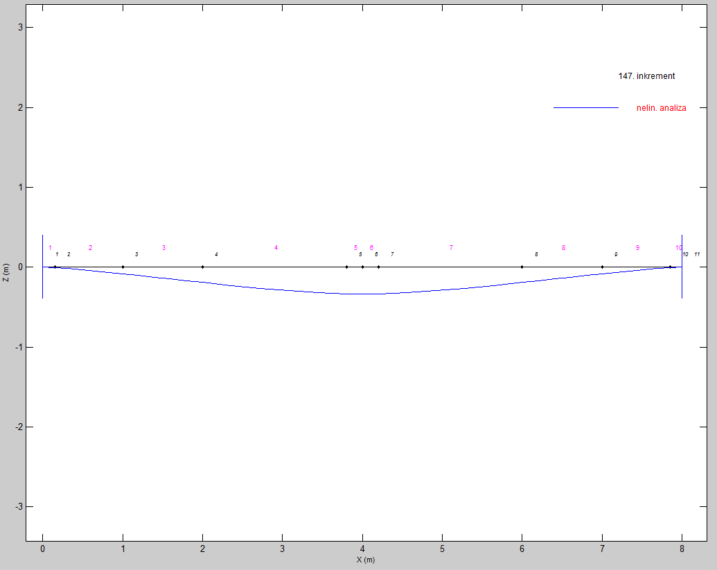
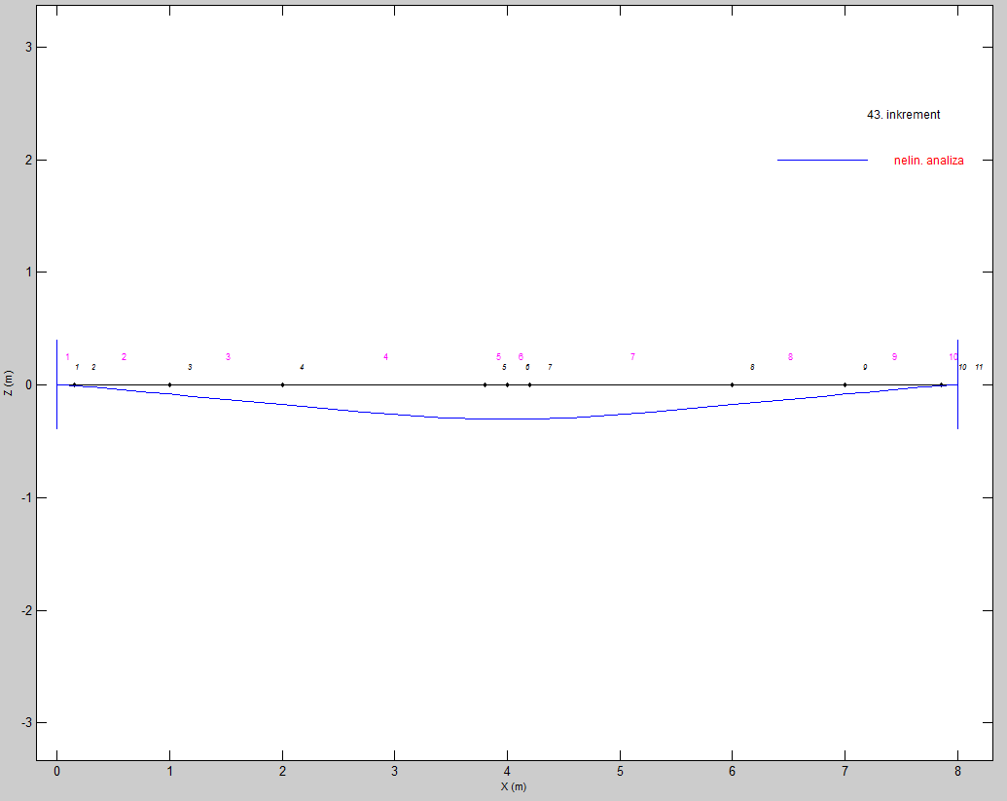

Load = 20 N/mm | Load = 40 N/mm

